Lester
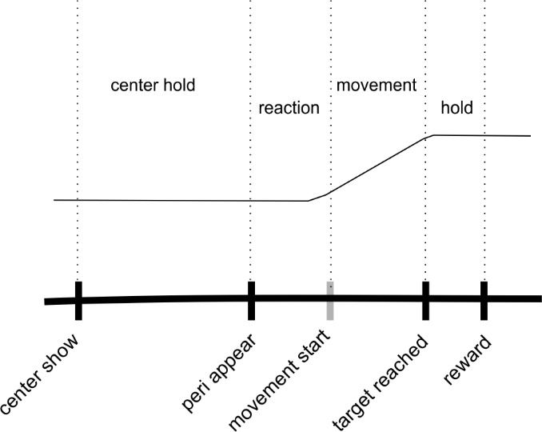

 |  |  |  |  | median (min,max)
 | .Data.SerialDigitalIO.UnparsedData |  | session | center hold | reaction + move | hold
L20160414 | centershow | 65509 | L20160414 | 600-700 | 352 (148,963) | 0?
GO cue | periappear | 65513 | L20170317 | 900 |  | 100 kai kala
 | peri reached
 | reward | 65521

L20170317 | 65504 | 639 | gocue | 639
 | 65505 | 1820 | success | 632
 | 65506 | 1819
 | 65508 | 639
 | 65512 | 632
 | 65524 | 639

order: | 65504 | 639
 | 65505 | 1820
 | 65506 | 1819
 | 65524 | 639
 | 65508 | 639
 | 65512 | 632

